IIS Requirements
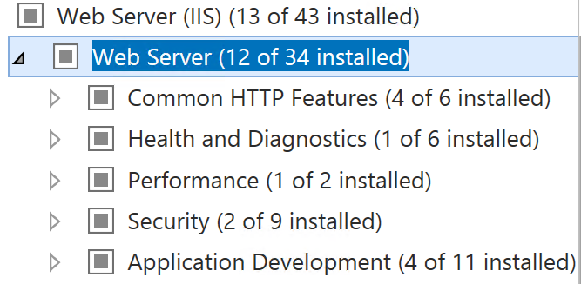

Common HTTP Features
 | Direct Document
 | Directory Browsing
 | HTTP Errors
 | Static Content
Health and Diagnostics
 | HTTP Logging
Performance
 | Static Content Compression
Security
 | Request Filtering
 | Basic Authentication
Application Development
 | .NET Extensibility 4.5
 | ASP.NET 4.5
 | ISAPI Extensions
 | ISAPI Filters
Management Tools
 | IIS Management Console

